DeleteGroupAccount
Common information |  |  | Project name |  | TS |  |  |  | Creator | ntgiang1
 |  |  | System name |  |  |  |  |  | Created date | 22/2/2018
 |  |  | Phase name |  |  |  |  |  | Version
 |  |  | Document ID |  |  |  |  |  | Updated by
 |  |  | Document name |  |  |  |  |  | Updated date
Detailed information |  |  | Screen ID
 |  |  | Screen name |  | Admin - Delete Group
 |  |  | Outline

 | 1. | Screen image

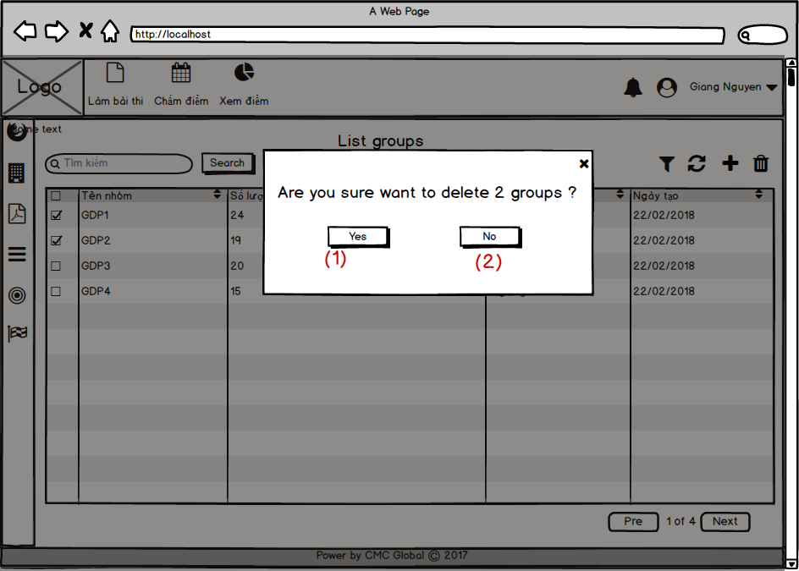

2. | Outline of function

3. | Item display
 | Item | Display |  | Type |  | I/O | Initial value | Operation
 | (1) | Không |  | Button |  |  |  | Close popup và hủy tích chọn
 | (2) | Có |  | Button |  |  |  | Xóa group trong csdl

4. | Activity Diagram

5. | Sequence Diagram

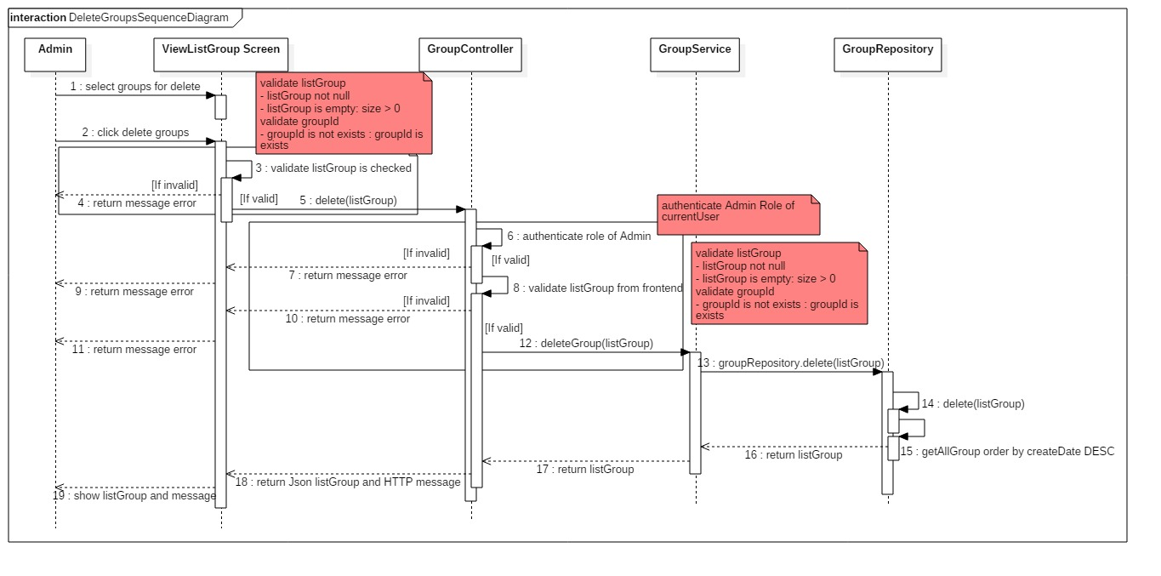

6. | State Diagram

7. | Pseudo Code
BEGIN MAINPROGRAM deleteGroup(listGroup)
IF null == listGroup || 0 >= listGroup.size
show toast message "Danh sách nhóm không hợp lệ";
ELSE
FOR (group : listGroup )
deleteGroup(group);
response list group;
show message success "Xóa thành công";
END IF
END MAINPROGRAM deleteGroup(listGroup)

8. | Unit-test case

